Introduction
Removing Duplicates
with Excel Function and Remove Duplicate feature
Topics
1. One, Two, Three Columns
2. Max, Min
3. Couting whole row Duplicates
4. Working with Dates
5. Examples

YouTube.com/KunaalNaik
lifeaholic.in
fxexcel@gmail.com
@KunaalNaik
by Kunaal Naik

RemDup7
Removing Duplicates 7 : Expand Option

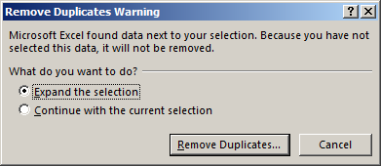
Product Name | Region | Quantity
Super Soft | Sub-Saharan Africa | Sample
Detafast Stain Remover | Central America and the Caribbean | 200ml
Super Soft Bulk | Middle East and North Africa | 800ml
Pure Soft Detergent | North America | 1 Litre
 | Europe | 100ml
 | Asia | 500ml
 | Australia and Oceania | 2 Litres
 |  | 250ml

